MOC Workshop
Management of Change - Impala design for Intelex (workshop summary)
Sources: MOC Proposal Rev2 (Sam Robinson), internal pre-design sessions 20-21 Oct 2026, Intelex OOTB workbook (MOC 1.3.0), SOW v1.5.

1. Key messages
• ONE workflow with three paths (Complete, Simple, Emergency) driven by Initiation flags - not three separate workflows.
• We keep the 7 Intelex OOTB stages and paths; Sam's Rev2 requirements are delivered through stage captions, fields, checklist and approval setups.
• Stage 3 does all the evaluation & design work; stage 4 is approval only - approvers are asked only once the evaluation is complete.
• Only 3 points to confirm with Intelex: stage renames, switching off the Replacement in Kind skip path, sequential approvals.

2. Stages and paths - Intelex OOTB vs Impala proposal
# | Intelex OOTB stage | Proposed name | Complete | Simple (Simple = Yes) | Emergency (Emergency = Yes) | What happens (Sam Rev2) | Owner | Cannot move on until… | Config type
1 | Initiation | Initiation | ✔ | ✔ | ✔ | Description, Emergency / Simple / Temporary flags, Change Type (above Change Impact), Change Impact with guidance, Priority, Change Justification, Requested Change Date - all mandatory. | Created By | Mandatory fields completed | OOTB
2 | Pre-Approval | Coordinator Review | ✔ | ✔ | ✔ | MOC Coordinator checks quality / completeness and submits (one click). Prevents single-person MOCs (Shaun, Khesar). | MOC Coordinator | - | OOTB (caption)
3 | Evaluation | Evaluation, Design & Analysis | ✔ | ✔ no checklist | — | Checklist (Universal + Liquids / Dry by location; users can add items), tasks (Pre-Implementation / Pre-Follow Up), D&A questions: alternatives, hazard assessment, critical design actions, documentation - with justifications. Attachments. | MOC Coordinator | Checklist and mandatory questions answered | OOTB + Moderate (conditional fields)
4 | Design & Analysis | Approval | ✔ | ✔ | ✔ | Approval Notes + mandated approvals by Change Impact, requested in sequence Local > Regional > Global. Ad hoc approvals allowed. | MOC Coordinator + approvers | All approvals closed | OOTB setup; sequence to confirm
5 | Implementation | Implementation | ✔ | ✔ | ✔ | PSSR, training, communication, installation complete, critical PSSR items - justification if No. | MOC Coordinator | Entry: Pre-Implementation tasks closed | Moderate (conditional fields)
6 | Start Up | Start Up | ✔ | ✔ | ✔ | Start-up completed; notes / feedback. | MOC Coordinator | - | OOTB
7 | Follow Up | Follow Up | ✔ | ✔ | ✔ | Temporary → permanent MOC?, documentation updated, procedure followed, Lessons Learnt. | MOC Coordinator | Entry: Pre-Follow Up tasks closed | OOTB
 | Path (stage #) |  | 1-2-3-4-5-6-7 | 1-2-3-4-5-6-7 | 1-2-4-5-6-7
Simple = 'Replacement in Kind' renamed (IT / organisational changes): same stages, no checklist. Emergency = OOTB emergency path: skips stage 3 and goes straight to Approval.

3. Workflow diagram
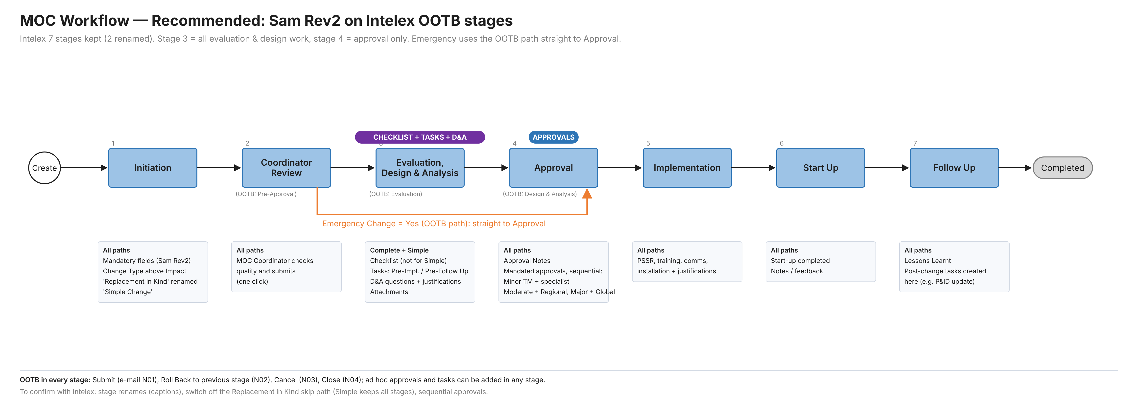

4. Change classification and approvals (Change Impact tab, Rev2)
 | Change Impact | Approval level |  |  |  | Approvers (sequential)
 | Minor | Local |  |  |  | Terminal Manager + at least one technical specialist from the terminal
 | Moderate | Regional |  |  |  | Local approvals, then Regional HSEC + Regional Operations
 | Major | Global |  |  |  | Local, then Regional, then Global HSEC + Global Operations
Change Type (8 types) + Change Impact guidance per type replace the Level 1-5 scoring. Examples always Major: floating roof/deck landing, tank entry, changes to Safety Critical Equipment. Ad hoc approvers can be added at any stage.

5. What we ask Intelex
# | Question |  |  |  |  | Why | Fallback if not possible
1 | Rename stages: Evaluation → 'Evaluation, Design & Analysis', Design & Analysis → 'Approval', Pre-Approval → 'Coordinator Review' |  |  |  |  | Matches Sam's stage names and makes the process clear for users. | Keep OOTB names; content works the same.
2 | Switch off the Replacement in Kind skip path (field renamed 'Simple Change') |  |  |  |  | Rev2: Simple keeps all stages, only without the checklist. | Accept OOTB path (Simple skips stages 3-4; approvals in Coordinator Review).
3 | Sequential approvals: Regional only after Local approved, Global only after Regional |  |  |  |  | Accountability; less human error (Sam, Khesar). | Coordinator submits the next level manually / procedure.
4 | Can Pre-Approval be auto-submitted / skipped within Moderate scope? |  |  |  |  | Removes one click. | Keep as 'Coordinator Review'.

6. Open points for the team
1. Priority: values and what it drives (mandatory in Rev2).
2. PSSR mandatory for Moderate / Major only?
3. Terminal Manager re-approval at Implementation / Start Up / Follow Up?
4. Simple Change: what is the 'different process review' for IT / organisational changes?
5. Emergency: who approves, approval due date, retrospective completion of the checklist?
6. Checklist: link items to Change Type / Change Impact (e.g. HAZOP mandatory for Major equipment change)?
7. Names per terminal / region: MOC Coordinator, Terminal Manager, technical specialists, Regional and Global approvers.

